6-8.Ingre&Nutrition&Allergens
6.Product Composition
Ingredients |  | Components |  | % Composition | Supplier Names | Country of Origin | Genetically modified?
(Including E numbers and *functions for additives) |  | (if ingredient is composed of several sub-ingredients) |  | (Please list the ingredients in descending order) | (Please list all suppliers per ingredient)
Soybeans |  |  |  | 100.00% | Yuyao Gu Man Cang Food Co., Ltd | CHINA | NO
 |  |  | Total | 100.00%
*Please choose the functional of food additives from below: sweeteners / colours / preservatives / antioxidants / carriers / acids / acidity regulators / anti-caking agents / anti-foaming agents / bulking agents / bulking agents / emulsifiers / emulsifying salts / firming agents / flavor enhancers / foaming agents / gelling agents / glazing agents / humectants / modified starches / packaging gases / propellants / raising agents / sequestrants / stabilisers / thickeners / flour treatment agents / contrast enhancers

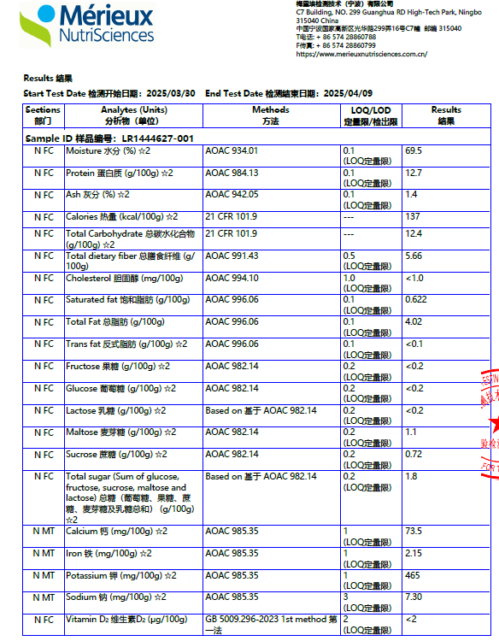
Are Genetically Modified Organisms handled on manufacturing site? |  |  |  | No
Is GMO free certificate available for the ingredients at GMO risk? |  |  |  | Yes
7.Nutritional Information |  | * Not Mandatory
Typical Values (g) |  | Per 100g/100ml
Energy (Kcal/KJ) |  | Kcal:137 KJ:573 |  |  |  |  |  | 0
Fat |  | 4.0g |  |  |  |  |  | Total energy =fat X37+carbo X17 +protein X17
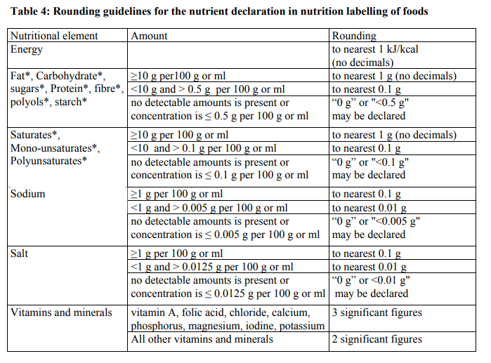
of which saturate fat |  | 0.6g
of which monounsaturated fat* |  | g
of which, polyunsaturated fat* |  | g
Carbohydrate |  | 6.7g
of which sugar |  | 1.8g
of which Polyols* |  | g
of which starch* |  | g
Fibre* |  | 5.7g
Protein |  | 13g
Salt |  | 0.02g
NOTE: Must attach lab analyses report |  |  | 0.86
8.The fourteen Allergens – Regulation (EU) No 1169/2011
 | Potential Component |  |  | Product contains? | in which ingredient? | Handled on manufacturing site? | Risk of Cross Contamination
 | *Please tick in the box |  |  | Yes/No |  | Yes/No | Yes/No
01 | Cereals containing gluten including wheat, Rye, Barley, Oats, Spelt & Khorasan and products thereof: |  |  | NO |  | NO | NO
02 | Crustaceans and products thereof: |  |  | NO |  | NO | NO
03 | Fish and products thereof: |  |  | NO |  | NO | NO
04 | Molluscs and products thereof: |  |  | NO |  | NO | NO
05 | Peanuts and products thereof: |  |  | NO |  | NO | NO
06 | Soybeans and products thereof: |  |  | v | Soybean | No
07 | Milk and products thereof: |  |  | NO |  | NO | NO
08 | Nuts and products thereof: |  |  | NO |  | NO | NO
09 | Celery and products thereof: |  |  | NO |  | NO | NO
10 | Mustard and products thereof: |  |  | NO |  | NO | NO
11 | Sesame seeds and products thereof: |  |  | NO |  | NO | NO
12 | Sulphur Dioxide or Sulphites: |  |  | NO |  | NO | NO
13 | Lupin and products thereof: |  |  | NO |  | NO | NO
14 | Egg and products thereof: |  |  | NO |  | NO | NO

9-13.Quality Attributes
9.Chemical Standard
Test Item |  | EU MRL standard | Contry of Origin MRL Standard | Test Frequency
Cadmium |  | 0.2mg/kg |  | TBC
Pesticides |  |  |  | Every year
10.Acrylamide
Are Products at risk of acrylamide? |  |  |  |  | No
If Yes. What mitigation measures are in place to manage acrylamide levels with the food? |  |  |  |  | N/A
11.Radioactivity | *occurs naturally in all food and can be transferred into food in different ways eg crops from soil, drinking water from the earth, Fish and Shellfish from the water or Sea floor.
Has the product/ingredient been irradiated? |  |  |  |  | No
Is the product/ingredient subject to potential radioactive cross contamination? |  |  |  |  | No
If yes, what controls in place |  |  |  |  | N/A
Has the product/ingredient been imported into the UK from a country that has high levels of radioactivity? |  |  |  |  | No
If Yes, how is this controlled and what checks are carried out? |  |  |  |  | N/A
12.Microbiology Standards | *Please insert GB standard
Micro-organisms | Type | EU satisfactory in ready to eat | Contry of Origin Standard | Manufacturer Standard | Test Frequency
TVC | Quality Indicator | <104 |  | <5000 | twice a day | *please clarify by filling in how many samples per day/PO rather than by each lot
Escherichia coli | Hygiene indicator | <20 |  | <3 | twice a day
Enterobacteriaceae | Hygiene indicator | <100
Listeria spp | Hygiene indicator | Not Detected
Listeria monocytogenes | Pathogens | Not Detected |  | Not Detected | one sample /PO
Campylobacter spp. | Pathogens | Not Detected
Escherichia coli O157 | Pathogens | Not Detected
Salmonella spp. | Pathogens | Not Detected |  | Not Detected | one sample /PO
Shigella spp. | Pathogens | Not Detected
Vibrio cholera (O1 and O139) | Pathogens | Not Detected
Vibrio parahaemolyticus | Pathogens | <20
Bacillus cereus | Pathogens | <103
Bacillus spp. | Pathogens | <103
Clostridium perfringens | Pathogens | <10
Staphylococcus aureus and other coagulase-positive staphylococci | Pathogens | <20 |  | Not Detected | one sample /PO
13.Acceptance and Rejection standard
Standard Product Photo & Description |  | Rejected Product Photo& Description
IE. Grading, Sizing, Appearance, Flavor/taste, Texture, Colour, smell |  | IE. Grading, Sizing, Appearance, Flavor/taste, Texture, Colour, smell
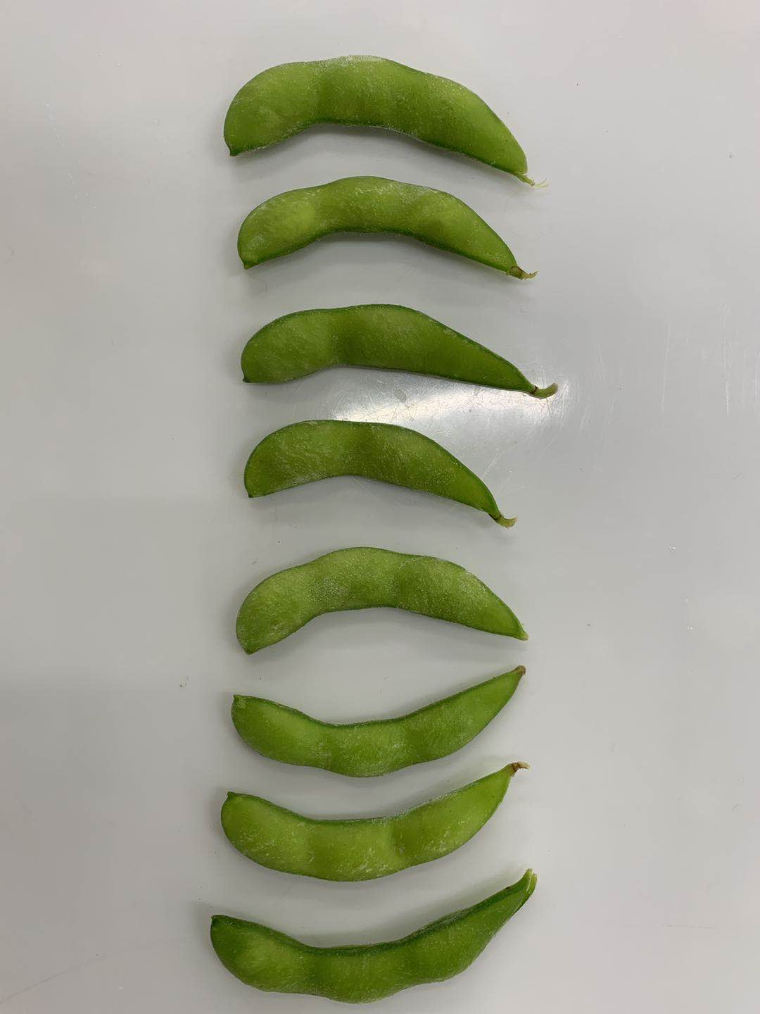 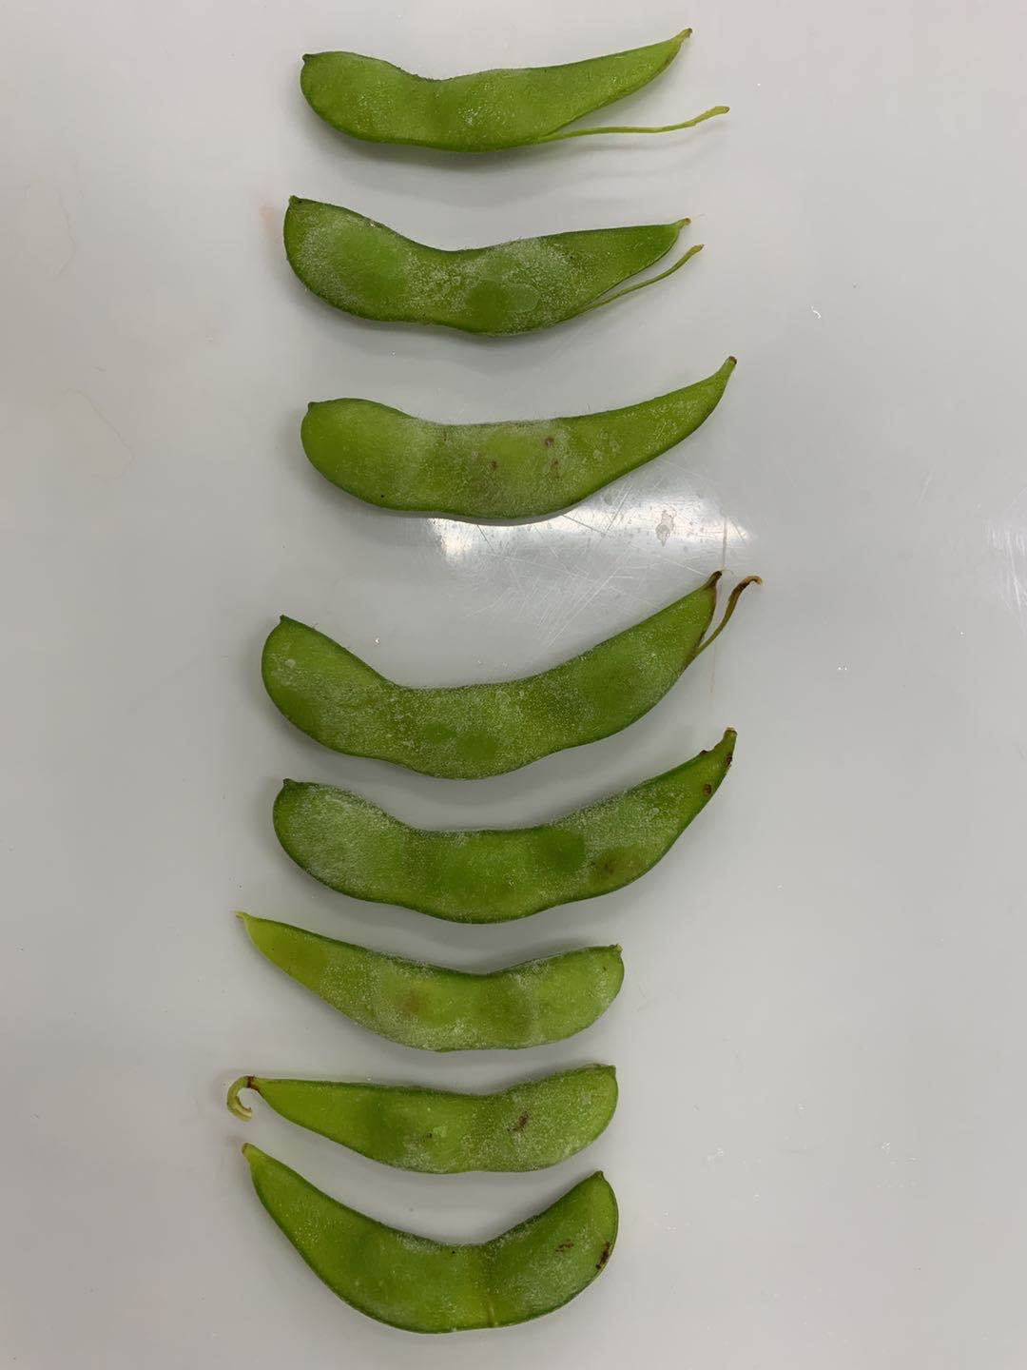 -Characteristic green -Fresh soybean aroma -Typical for the product, no off flavours/odours -uniformly tender but firm Target Accept |  | 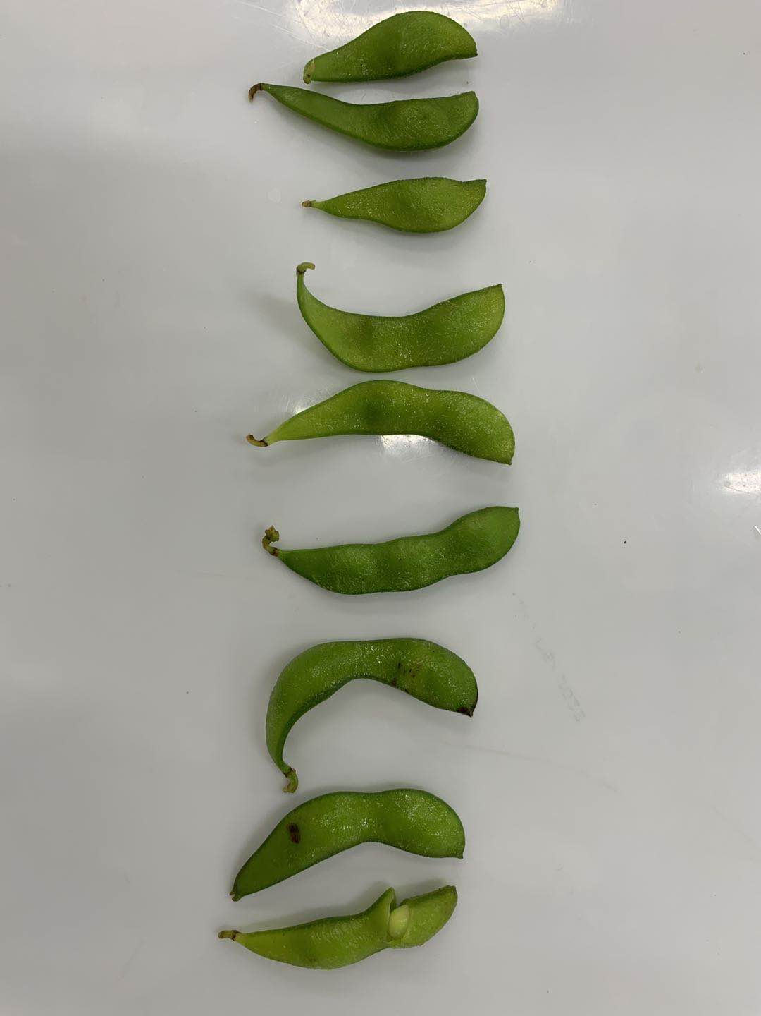 -Pathological injury, insect wound, blemishes, any other defective attribute that affects the appearance -discloured pieces -Usual odours

14-16.Quantity&packaging info
14.Quantity Attributes
 | Unit (g) | Case (kg)
Unit Drained Weight (If Product contains liquid) | N/A | N/A
Net Weight | 1000 | 10
Gross Weight | 1000 | 10.70
Is the product packed in a Protective atmosphere? (if yes, indicate the composition on gases used if applicable) |  |  | NO
Is the product vacuum packed? |  |  | NO
Primary Package Plastic Material Comply with Commission Regulation (EU) No 10/2011 |  |  | YES
15.Packaging Weight Dimensions
 | Description/Color | Materials *please indicate the plastic material from below 01-07 | Weight (g) | Dimensions (mm)

Primary： | PE/PA bag | 1 | 7 | L310
 |  |  |  | W230
 |  |  |  | H
Secondary: | brown carton | paper | 700 | L390
 |  |  |  | W300
 |  |  |  | H270

16.Pallet Configuration
 | EU Pallet Configuration (0.8m x 1.2m) |  | UK Pallet Configuration (1.0m x 1.2m)
Cases per layer | 8 |  | 10
Number of layers | 6 |  | 6
Number of pallet / 20FCL | 10 |  | 10
Number of pallet / 40FCL | 20 |  | 20
20FCL Max Load | 480 |  | 600
40FCL Max Load | 960 |  | 1200
Pallet Top-View |  |  | 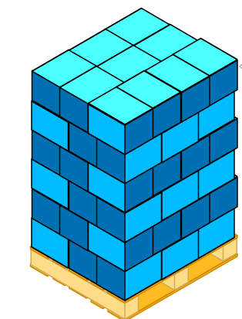
 | *pallet height must lower than 1.85m

17-20.HACCP,Artwork&SpecAuthor.
17.Process Flow Chart- (showing all CCPs)
Please provide in the form a Critical Control Point (CCP), a description of the process/packing operations including processing times tempuratures where applicable and in process Safery Control Checks (CCP Summary) and Quality Checks.
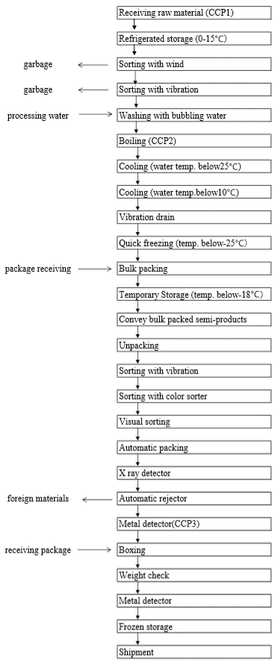 *please insert HACCP plan of product
18.Critical Control Points
CCP | Control Measure |  | Critical Limit | Monitoring Frequency
Raw material receiving (CCP1) | Review and Record |  | Must be harvested from CIQ approved farm | Each batch
Boiling (CCP2) | Monitor the temperature display Monitor the timer |  | CL value: temperature: >95 ° C time: >60 seconds 0L value: temperature: 98-100 ° C time: 90-120 seconds | Every hour and before work and after finished
Metal detector (CCP3) | Detected by metal detector |  | Finished product must not contain fragments as below Fe≧1.5 Sus ≧ 2.0(for ordinary package bag) | Every hour and before work and after finished
19.Artwork
Inner Label / Package Design artwork |  | Outer Label / Package Design artwork
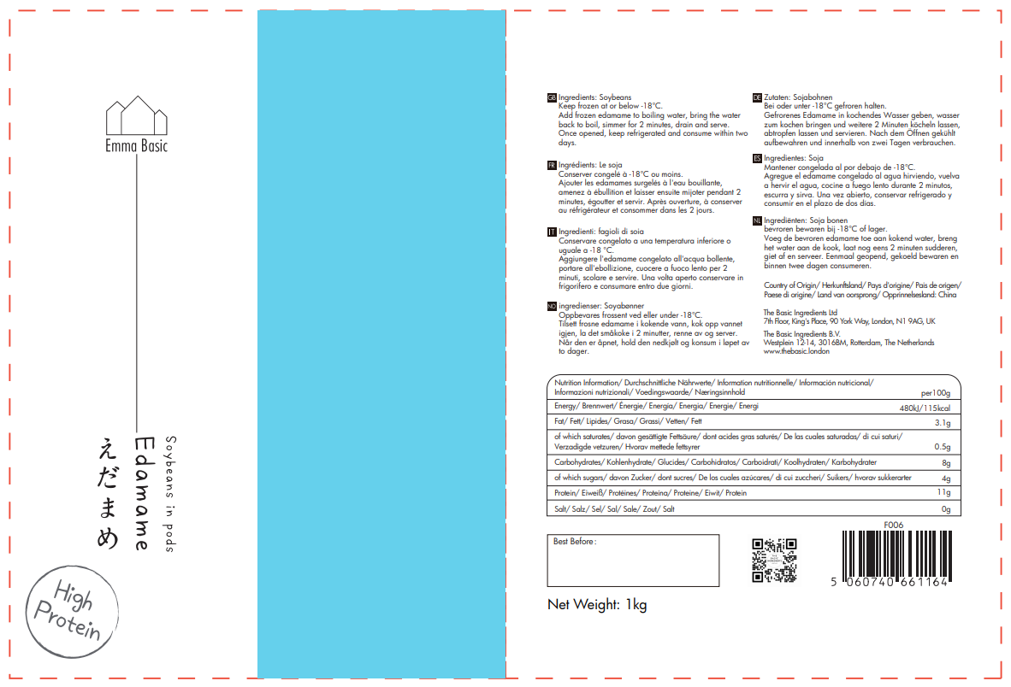 |  | 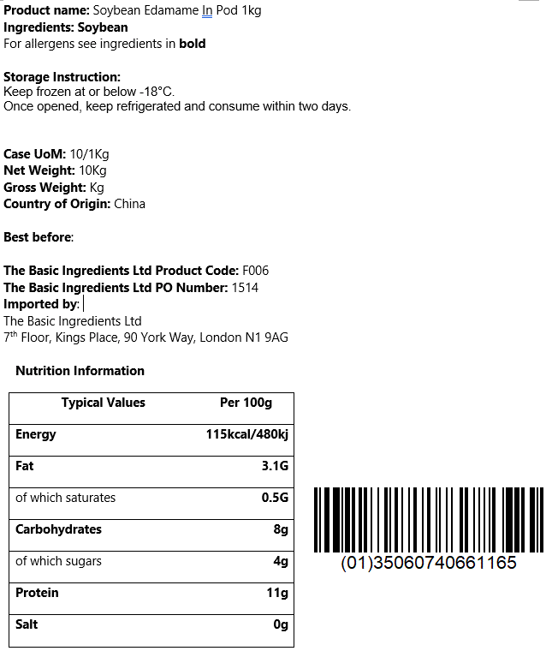
20.Packaging Photos
Finished Product with Primary package | Outer Case (Secondary) |  | Tertiary
 |  |  | n/a
Specification Authorization
1.Product to be supplied in accordance with this agreed specification. No changes are to be made without prior knowledge and prior written agreement of The Basic Ingredients Ltd technical department. 2.The contents of this specification are confidential and should not be disclosed to a third party without a written approval of The Basic Ingredients Ltd technical department.
Manufacture Name | Yuyao Gumancang Food Co.,Ltd.
Signature
Print Name | Miao Weng
Position in Company | Trading Manager
Date | 2024-05-16

The Basic ingredients team use only
Signature | Nancy Deng
Print Name | Nancy Deng
Position in Company | Technical Account Manager
Date | 2024-05-15

